Certificate
We HIGHLY recommend that a high quality certificate paper or parchment is used to print these certificates.

Note:
1. Type in the information below.
2. If needed, set the print area at A18: N53. (File-Print Area-Set Print Area)
3. Click on the print icon or (File-Print) to print the certificate and
4. Then type in the next persons name & FFA Chapter.
5. Repeat these steps until all certificates are printed.

REMEMBER THE TAB KEY WILL TAKE YOU TO THE NEXT CELL THAT WILL ACCEPT INFORMATION!
Name of Recipient
FFA Chapter Name:

YOU MUST USE YOUR ARROW KEYS TO SCROLL DOWN TO VIEW THE CERTIFICATE, IF YOU DESIRE!

 | 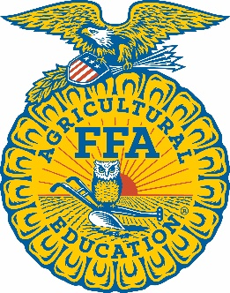 |  | 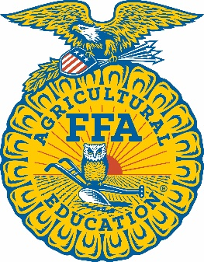 HYMAX
 |  |  | Academy

This certifies that

 |  |  |  | 0

a member of the

 |  |  | FFA Chapter

 |  | was a participant in the 2023 HYMAX Academy

 | Given this 18th day of June, 2023.



 | State FFA Advisor |  |  |  | State Executive Secretary

 | State FFA President |  |  |  | Director, Mo FFA HYMAX Academy

